Лист1
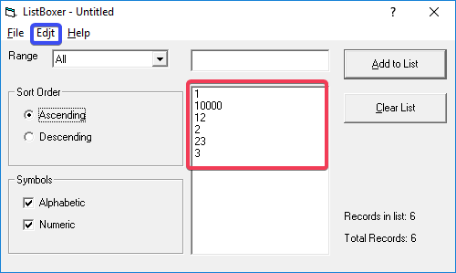
Pre-conditions
ListBoxer was installed and launched
ID | Title | Describtion | Sevetity | Reporter | Asignee
#1 | Spelling error: The "Edit" button is spelled like "Edjt" | EXP: The button is named 'Edit' ACT: The button is named 'Edjt' | Trivial | Tester1 | Dev1
#2 | Sort Order: The sort logic uses only first digit of whole number | STR: 1. Tick the Numeric type of symbols. 2. Add to list these numbers: '1' '2' '3' '23' '12' 3. Choose ascending sort order. 4. Observe incorrect order. 5. Choose descending sort order. 6. Observe incorrect sort order. EXP: The list is sorted ascending/discending ACT: The list is sorted only by first digit | Major | Tester1 | Dev2
#3 | Boundary Value: Number '10000' can be added to the list | STR: 1. Add number 10000 to the list. 2. Observe number 10000 in the list. EXP: Number 10000 can't be added due to out of range ACT: Number 10000 can be added to the list | Minor | Tester1 | Dev3

Attachments

